ExecutionScreenShot
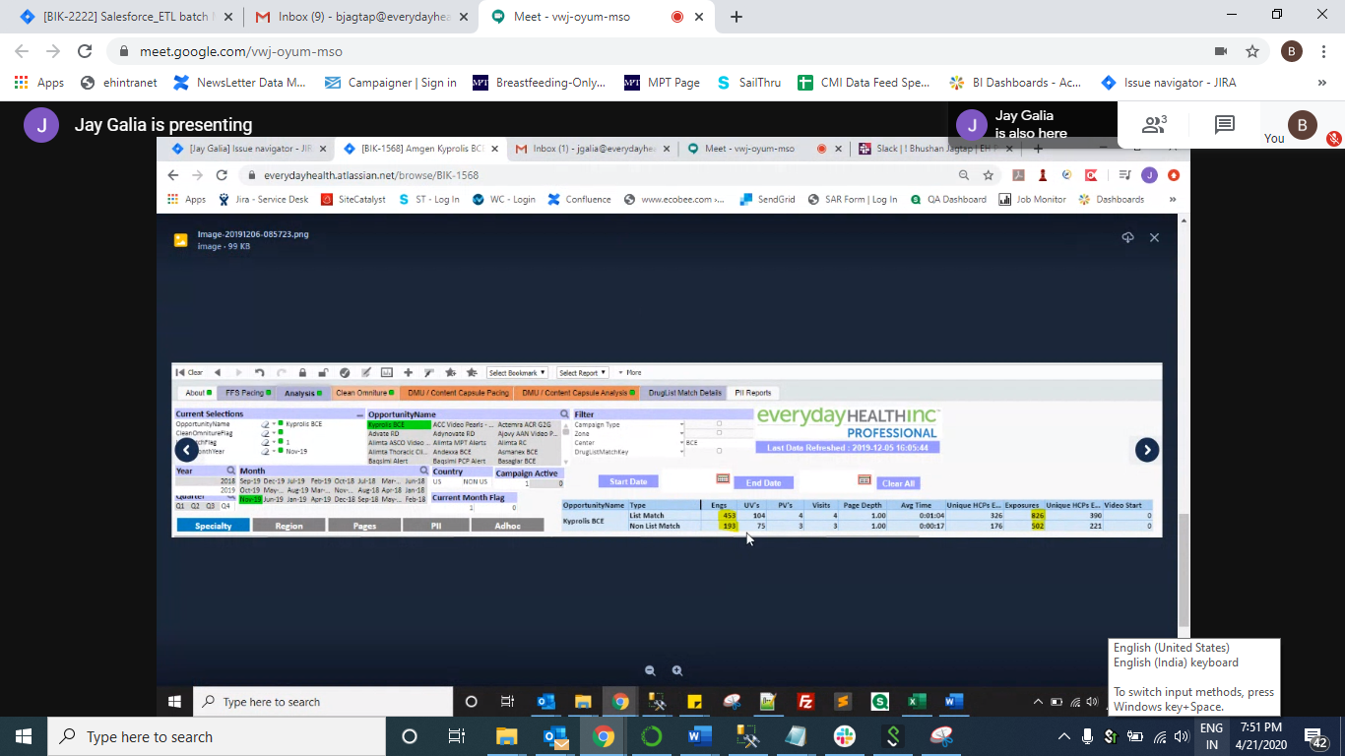
Summary:
Amgen Dashboard for Example

Check --Count and Disposition_cd check Select Count(*)TotalRecordsCount, case when Disposition_cd='WE.7.11' Then 'Engagement' when Disposition_cd='WE.6.13' then 'Exposure' when Disposition_cd ='WE.6.11' then 'Click' else 'NA' End Activity, Disposition_cd from DWMedProStaging.amgen.tbresponsedata(nolock) f where f.response_date between '20191101' and '20191130' and f.brand_abbreviation like '%KYPROLIS%' group by case when Disposition_cd='WE.7.11' Then 'Engagement' when Disposition_cd='WE.7.11' then 'Exposure' when Disposition_cd ='WE.6.11' then 'Click' else 'NA' End, Disposition_cd order by 2 |  |  | dashboard summation Engagment | 453 |  | dashboard summation Exposure | 826
 |  |  |  | 193 |  |  | 502
 |  |  | Matched with SQL and responseFeed | 646 |  |  | 1328
SQL Result

TotalRecordsCount | Activity | Disposition_cd
118 | Click | WE.6.11
646 | Engagement | WE.7.11
1328 | Exposure | WE.6.13

BroadcastName wise counts verification

Select f.campaign_code,f.offer_code,f.brand_abbreviation,f.channel_cd, f.vendor_cd, f.Broadcastname,Count(*)Counts
from DWMedProStaging.amgen.tbresponsedata(nolock) f
where f.response_date between '20191101' and '20191130'
and f.brand_abbreviation like '%KYPROLIS%'
group by f.campaign_code,f.offer_code,f.brand_abbreviation,f.channel_cd, f.vendor_cd, f.Broadcastname

campaign_code | offer_code | brand_abbreviation | channel_cd | vendor_cd | Broadcastname | Counts
KYPROLIS08374 | CampOffer-01122 | KYPROLIS | WEB | MPT | /kyprolis/bce1-328/ | 7
KYPROLIS08374 | CampOffer-01122 | KYPROLIS | WEB | MPT | /kyprolis/bce2-330/ | 6
KYPROLIS08374 | CampOffer-01122 | KYPROLIS | WEB | MPT | 18435767 | 2
KYPROLIS08374 | CampOffer-01122 | KYPROLIS | WEB | MPT | 18436327 | 2
KYPROLIS08374 | CampOffer-01122 | KYPROLIS | WEB | MPT | 18465329 | 2
KYPROLIS08374 | CampOffer-01122 | KYPROLIS | WEB | MPT | 18465410 | 4
KYPROLIS08374 | CampOffer-01122 | KYPROLIS | WEB | MPT | 18482 | 12
KYPROLIS08374 | CampOffer-01122 | KYPROLIS | WEB | MPT | 18483 | 4
KYPROLIS08374 | CampOffer-01122 | KYPROLIS | WEB | MPT | 18527919 | 332
KYPROLIS08374 | CampOffer-01122 | KYPROLIS | WEB | MPT | 18624039 | 252
KYPROLIS08374 | CampOffer-01122 | KYPROLIS | WEB | MPT | 18647539 | 336
KYPROLIS08374 | CampOffer-01122 | KYPROLIS | WEB | MPT | 39093541 | 140
KYPROLIS08374 | CampOffer-01122 | KYPROLIS | WEB | MPT | 39376221 | 101
KYPROLIS08374 | CampOffer-01122 | KYPROLIS | WEB | MPT | 39438691 | 161
KYPROLIS08374 | CampOffer-01122 | KYPROLIS | WEB | MPT | Kyprolis1Seg1_DMU1_278_ImportanceOfPIs | 58
KYPROLIS08374 | CampOffer-01122 | KYPROLIS | WEB | MPT | Kyprolis1Seg1_DMU2_281_SRFP | 238
KYPROLIS08374 | CampOffer-01122 | KYPROLIS | WEB | MPT | Kyprolis1Seg1_DMU3_287_DDOR | 98
KYPROLIS08374 | CampOffer-01122 | KYPROLIS | WEB | MPT | Kyprolis1Seg2_DMU1_280_SuperiorPl | 68
KYPROLIS08374 | CampOffer-01122 | KYPROLIS | WEB | MPT | Kyprolis1Seg2_DMU2_284_KdOnceWeekly | 202
KYPROLIS08374 | CampOffer-01122 | KYPROLIS | WEB | MPT | Kyprolis1Seg2_DMU3_282_DDOR | 67
 |  |  |  |  | Total Records counts | 2092

